Sales summary
801300 | -121,700,945 |  | thereof for sales of Apple equipment (w/o markup) from Henkel HK Holding

Tr.prt | Name | Sales Amount | A/R at year end
4412 | Henkel Hong Kong Holding Ltd | 48,300,981 |  | v-1607729 | Henkel Hong Kong Holding Ltd | Henkel Adhesive Technologies | Henkel (China) Investment Co. Ltd. | Henkel (China) Co. Ltd. | Henkel Adhesives Technologies | Henkel Chemical Technologies | PT Henkel Indonesien | Henkel Thailand Ltd. | Henkel Korea Ltd. | Henkel Loctite (China) Co. Ltd. | Other
4473 | Henkel Adhesive Technologies | 12,813,290 |  |  | 48300981 | 12813290 | 10384972 | 9701312 | 8233463 | 7092124 | 6467220 | 5004880 | 4605169 | 3565418 | 5532116
263 | Henkel (China) Investment Co. Ltd. | 10,384,972 |  |  |  |  |  |  | -1136910 | 1256674 |  |  | 94578 |  | 322004
290 | Henkel (China) Co. Ltd. | 9,701,312
485 | Henkel Adhesives Technologies | 8,233,463 | -1,136,910
4413 | Henkel Chemical Technologies | 7,092,124 | 1,256,674 |  | 2016 Apple equipment sales to H.K. Holding (4412) : 39,617,677
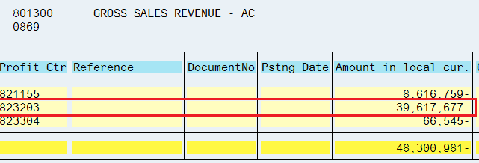
494 | PT Henkel Indonesien | 6,467,220
894 | Henkel Thailand Ltd. | 5,004,880
4449 | Henkel Korea Ltd. | 4,605,169 | 94,578
314 | Henkel Loctite (China) Co. Ltd. | 3,565,418
4409 | Guangzhou National Adhesives | 2,103,418
4410 | Henkel Adhesives Technologies | 1,377,644 | 322,004
288 | Henkel Adhesives Co. Ltd. | 1,150,690
4442 | Henkel Industrial Adhesives | 313,172
6318 | HENKEL CAPITAL SA DE CV | 251,781
4428 | Henkel Japan Ltd. | 222,806
6148 | Henkel (Malaysia) Sdn. Bhd | 81,426
9480 | Henkel Corporation | 31,179
4430 | Henkel (Malaysia) Sdn. Bhd | 0 | 0

